Sheet1
OUTLOOK | TEMPERATURE | HUMIDITY | WINDY | PLAY
Sunny | Hot | High | No | Don't Play
Sunny | Hot | High | Yes | Don't Play |  | Perhitungan 1.1 |  |  |  |  |  | 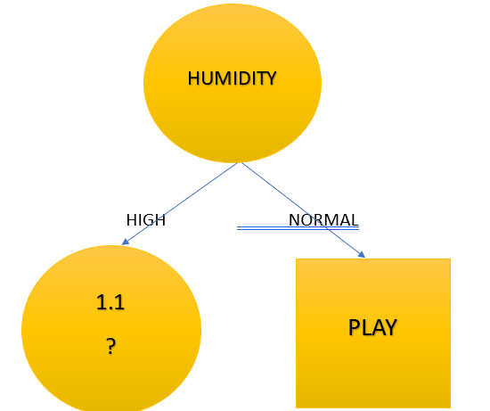
Cloudy | Hot | High | No | Play | Attribute |  | jml kasus(S) | Play (S1) | Don't Play (S2) | Entropy | Gain
Rainy | Mild | High | No | Play | Total |  | 14 | 4 | 10 | 0.86312
Rainy | Cool | Normal | No | Play | Outlook |  |  |  |  |  | 0.60462
Rainy | Cool | Normal | Yes | Play |  | Cloudy | 4 | 0 | 4 | 0
Cloudy | Cool | Normal | Yes | Play |  | Rainy | 5 | 1 | 4 | 0.72193
Sunny | Mild | High | No | Don't Play |  | Sunny | 5 | 3 | 2 | 0.97095
Sunny | Cool | Normal | No | Play | Temp |  |  |  |  |  | 0.6792691
Rainy | Mild | Normal | No | Play |  | Col | 4 | 2 | 2 | 1
Sunny | Mild | Normal | Yes | Play |  | Hot | 4 | 2 | 2 | 1
Cloudy | Mild | High | Yes | Play |  | Mild | 6 | 2 | 4 | 0.9183
Cloudy | Hot | Normal | No | Play | Humidity |  |  |  |  |  | 0.4926135
Rainy | Mild | High | Yes | Don't Play |  | High | 7 | 4 | 3 | 0.98523
 |  |  |  |  |  | Normal | 7 | 0 | 7 | 0
 |  |  |  |  | Windy |  |  |  |  |  | 0.857143
 |  |  |  |  |  | No | 8 | 2 | 6 | 0.81128
 |  |  |  |  |  | Yes | 6 | 2 | 4 | 0.9183

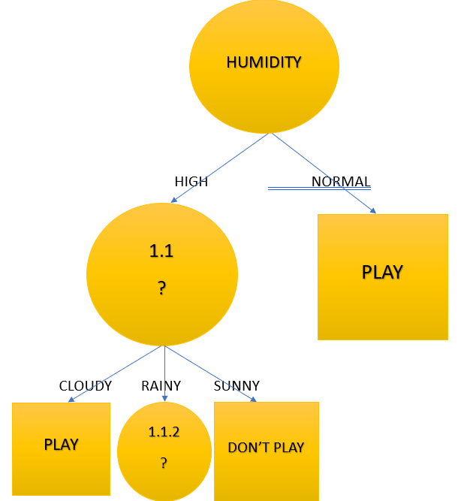
 |  |  |  |  |  | Perhitungan 1.1

 |  |  |  |  | Attribute |  | jml kasus(S) | Play (S1) | Don't Play (S2) | Entropy | Gain
 |  |  |  |  | Humidity High |  | 7 | 4 | 3 | 0.98522813603
 |  |  |  |  | Outlook |  |  |  |  |  | 0.69951385
 |  |  |  |  |  | Cloudy | 2 | 0 | 2 | 0
 |  |  |  |  |  | Rainy | 2 | 1 | 1 | 1
 |  |  |  |  |  | Sunny | 3 | 3 | 0 | 0
 |  |  |  |  | Temp |  |  |  |  |  | 0.28571429
 |  |  |  |  |  | Col | 0 | 0 | 0 | 0
 |  |  |  |  |  | Hot | 3 | 2 | 1 | 0.91829583405
 |  |  |  |  |  | Mild | 4 | 2 | 2 | 1
 |  |  |  |  | Windy |  |  |  |  |  | 0.96498393
 |  |  |  |  |  | No | 4 | 2 | 2 | 1
 |  |  |  |  |  | Yes | 3 | 2 | 1 | 0.91829583405

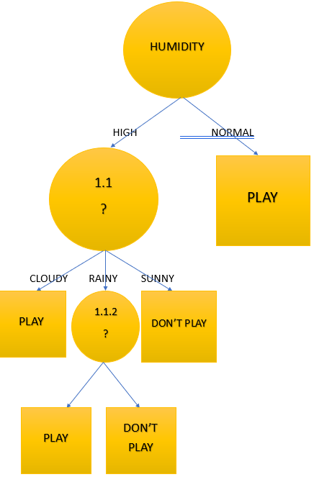
 |  |  |  |  |  | Perhitungan 1.1.2
 |  |  |  |  |  |  | jml kasus(S) | Play (S1) | Don't Play (S2) | Entropy | Gain
 |  |  |  |  | Humidity High and Outlook Rainy |  | 2 | 1 | 1 | 1

 |  |  |  |  | temp |  |  |  |  |  | 0
 |  |  |  |  |  | cool | 0 | 0 | 0 | 0
 |  |  |  |  |  | hot | 0 | 0 | 0 | 0
 |  |  |  |  |  | mild | 2 | 1 | 1 | 0
 |  |  |  |  | windy |  |  |  |  |  | 1
 |  |  |  |  |  | No | 1 | 0 | 1 | 1
 |  |  |  |  |  | Yes | 1 | 1 | 0 | 1

